Guidance
The following tabs must be filled in: |  | Definition of R.A.S.I.C
∙ | "Input Sheet & RLC" | R - Responsible
∙ | "Travel & Living" | A - Approve
∙ | "Cost Summary" | S - Support
∙ | "Labour Rates" | I - Inform
 |  | C - Consult
"Labour Rates"
Fill in the respective calendar year labour rates for each Labour Category.

"Input Sheet & RLC"
Fill in line items only for which you have been assigned a R.A.S.I.C. DO NOT input labour hours into a line item for which your R.A.S.I.C is EMPTY.
Input is required in the Labour Category columns. Each Category column represents a different charging category.
The categories are grouped by calendar year. Columns can be added or deleted as necessary to accomodate for additional/fewer charging categories and calendar years.
Include any material costs in the "Material Cost CAD $" (white) column.
Columns "Labour Hrs" (yellow), "Labour Cost CAD $" (green) and "Total Cost CAD $" (dark blue) are automatically calculated, hence no input is required.
Justification for each input is necessary. The column "BOCE Rationale" should be filled in.
Please see the following example:
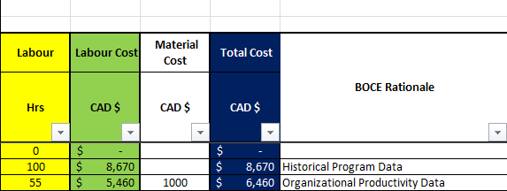

The "Labour Hrs" should be spread by week in accordance with the schedule.
Please see the following example:

"Travel & Living"
List the personnel attending meetings and fill in the expected "Cost per Trip" (green) columns. The "Cost of all Trips" (light brown) columns is automatically calculated.
Please see the following example:

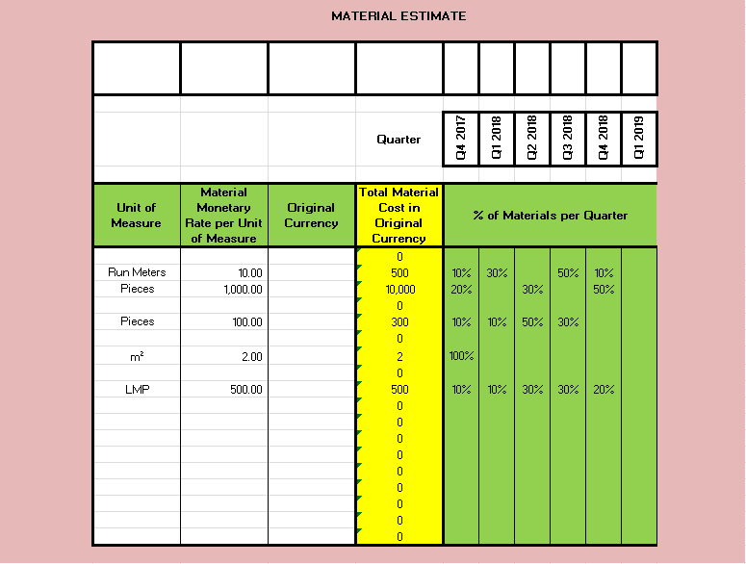
"Cost Summary"
List all labour categories in the Labour Category column.
The calendar year rates are linked to the "Labour Rates" tab and the calendar year hours are linked to the "Input Sheet & RLC" tab.
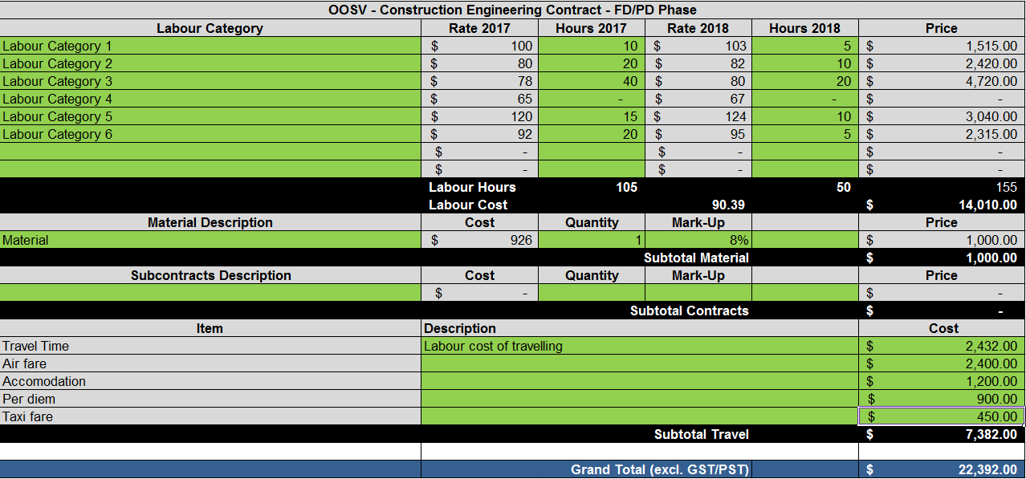
Price is calculated automatically.

